Income with Final Min tax
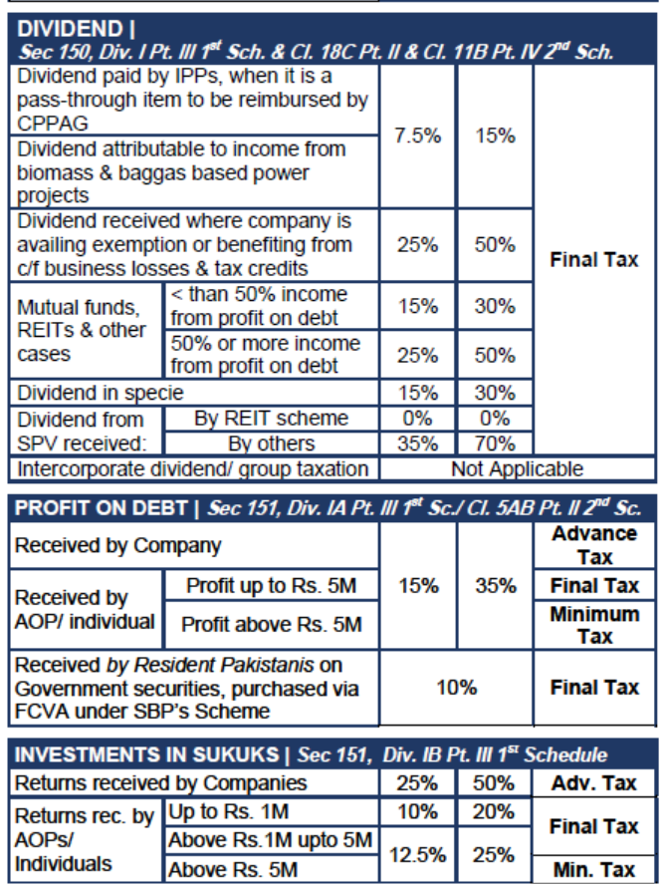
Income Subject to Final / Fixed / Minimum / Average / Relevant / Reduced Tax
Description | Amount/Receipt | Tax Deducted | Tax Cargeable
Dividend u/s 150 @0% share of profit from REIT SPV | 1,000,000 | - | - | Green cells are input cells (Tax chargeable is computed based on TY2025 rates)
Dividend u/s 150 @35% share of profit from other SPV | 800,000 | 280,000 | 280,000 | Green cells are input cells (Tax chargeable is computed based on TY2025 rates)
Dividend u/s 150 @7.5% IPP Shares | 50,000 | 3,750 | 3,750 | Green cells are input cells (Tax chargeable is computed based on TY2025 rates)
Dividend u/s 150 @15% (Dividend in kind or Mutual funds with less than 50% profit on debt) | 1,000,000 | 150,000 | 150,000 | Green cells are input cells (Tax chargeable is computed based on TY2025 rates)
Dividend u/s 150 @25% (From Companies not paying tax due to BF losses or Mutual funds with 50% and above profit on debt) | 500,000 | 125,000 | 125,000
Return on Investment in Sukuks u/s 151(1A) @ 25% |  |  | - | Green cells are input cells (Tax chargeable is computed based on TY2025 rates)
Return on Investment in Sukuks u/s 151(1A) @ 12.5% From Rs 1m to Rs 5m | 4,000,000 | 500,000 | 500,000 | Green cells are input cells (Tax chargeable is computed based on TY2025 rates)
Return on Investment in Sukuks u/s 151(1A) @ 10% Up to Rs 1m | 1,000,000 | 100,000 | 100,000 | Green cells are input cells (Tax chargeable is computed based on TY2025 rates)
Profit on Debt u/c 5(A)/5AA/5AB of Part II, Second Schedule (@10%) - Debt instrument via FCVA/SCRA for non resident or resident Pakistani with foreign bank accounts declared under SBP Scheme | 1,000,000 | 100,000 | 100,000 | Green cells are input cells (Tax chargeable is computed based on TY2025 rates)
Profit on Debt on National Savings Certificates including Defence Saving pertaining to pervious years u/s 39(4A) | 500,000 | 40,000 | 40,000 | Chargeable to tax at rate prevailing in the relevant year | 8% | Input cell
Interest Income - Profit on debt u/s 7B (Profit up to 5m taxable at 15%) | 5,000,000 | 750,000 | 750,000 | Green cells are input cells (Tax chargeable is computed based on TY2025 rates)
Prize on Prize Bond/Cross workd puzzle u/s 156 | 550,000 | 82,500 | 82,500 | Green cells are input cells (Tax chargeable is computed based on TY2025 rates)
Prize on Raffle/Lottery/Quiz/Sale promotion u/s 156 | 500,000 | 100,000 | 100,000 | Green cells are input cells (Tax chargeable is computed based on TY2025 rates)
Bonus shares issued by companies u/s 236Z | 500,000 | 50,000 | 50,000 | Value received is the day-end price on the first day of closure of books in the case of listed company and the value as prescribed in case of other companies
Salary Arrears u/s 12(7) Chargeable to Tax at Relevant Rate | 1,000,000 | 290,000 | 290,000 | Average Rate of tax for Calculation of salary arrears (0% To 100%) | 29% | Input cell
Subtotal | 17,400,000 | 2,571,250 | 2,571,250 | sum of above
Capital Gain | 1,500,000 | 175,000 | 175,000 | Linked with Capital gain sheet
Grand Total | 18,900,000 | 2,746,250 | 2,746,250 | sum of above

